Risk Management Document
Risk Management Plan
 | PROJECT | Taboola - Chatbot
 | PROJECT MANAGER | Marwa Mohamed Galal

Risk Register |  |  |  | Risk Matrix |  |  | Reaction to risk
ID | RISK TYPE | RISK DESCRIPTION | IMPACT DESCRIPTION | IMPACT LEVEL | PROBABILITY LEVEL | PRIORITY LEVEL | MITIGATION STRATEGY | ACTION | OWNER
 | Choose from the drop-down menu. | Give a brief summary of the risk. | What will happen if the risk is not mitigated or eliminated? | Rate 1 (LOW) to 5 (HIGH) | Rate 1 (LOW) to 5 (HIGH) | (IMPACT X PROBABILITY) Address the highest first. | What can be done to lower or eliminate the impact or probability? | Choose from the drop-down menu. | Who's responsible?
1 | Technical | Issues in the Programing while coding . | Bugs that are hard to solve and takes time | 3 | 3 | 9 | Use a coding standard and continuously audit the code | Mitigation | IT manager | RISK MATRIX
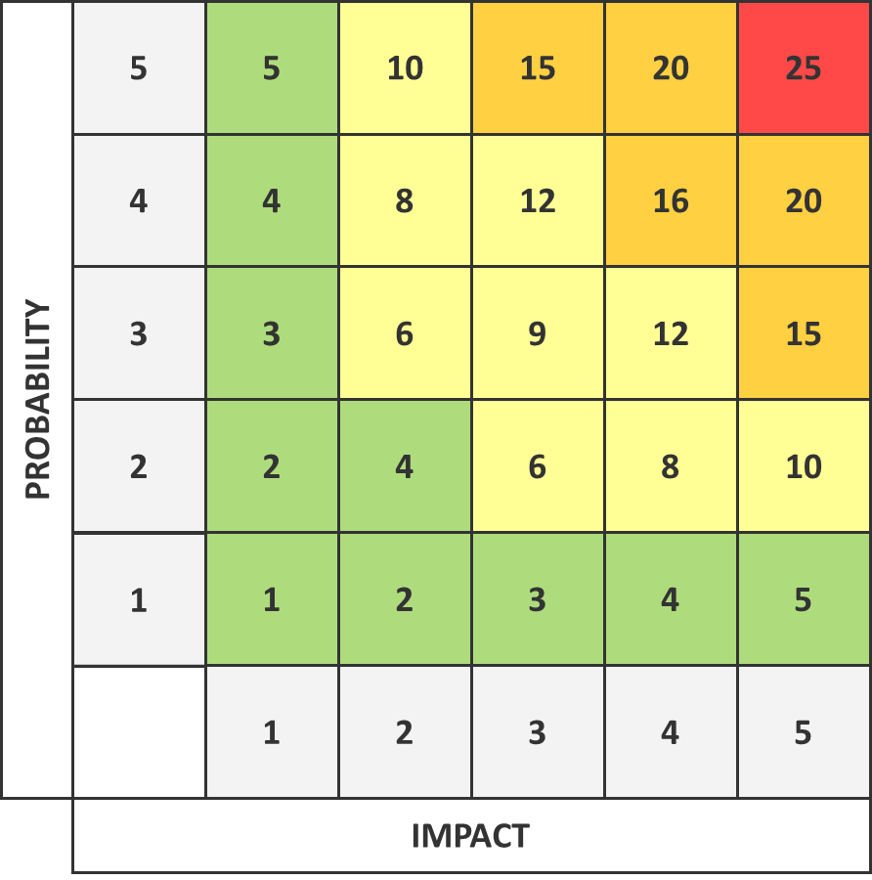
2 | Technical | Using different coding techniques thats makes it poor quality code and unclear | The code may be difficult to read, difficult for other developers to review or make changes | 3 | 2 | 6 | Use a coding standard, analyze code before code review, refactor legacy code (when necessary) to improve code quality | Mitigation | IT manager
3 | Technical | Risk of security breaches/Hackers | Irreparable damage or viruses or private data being lost that impact consumer trust and damage brand reputation | 5 | 2 | 10 | Make strong servers , monthly upgrades and maintenance for the website, limit access to the most valuable data, security awareness training | Avoidance | PMO
4 | Technical | Poor design | Improper layout of sites and selection lists and poor quality of graphics | 3 | 2 | 6 | Balance the page, keep it simple, fix the fonts and make it clear and readable, clean background, manage the logo, title bars , graphics & photos , add navigation icons like home and back | Mitigation | Web Manager
5 | External | Customers have little knowledge on new system and this will take time | Customers feel silly and do not want use the process anymore. Customer takes a while or communicates incomplete info | 4 | 4 | 16 | Task the account managers to get their clients up to speed with the upcoming changes | Acceptance | Account manager
6 | Technical | New developers are unfamiliar with the technology | Schedule delay | 4 | 4 | 16 | Training course | Avoidance | Development Team Lead
7 | Organizational | Different teams conflicts | Failure in addressing priority conflicts, failure in resolving the responsibilities of each member of the team, possible delays in meeting deadlines, deterioration of the work quality. | 5 | 3 | 15 | Promote communication and debate, sketch out conflicts resolution procedures | Mitigation | PMO
8 | External | Less communications with the client, so now they are in touch less often | Harder to retain the client | 3 | 2 | 6 | Account manager to implement more frequent check-ins with the client | Mitigation | Account manager
9 | Project Management | Budget risk | If the financial aspect of software development is mismanaged there will be budget concerns | 5 | 5 | 25 | Through project planning, knowing our vendors very well, keep to planned scope, using a project planning tool to make project manager's work easier, keep stakeholders updated, monitor progress and reassign resources | Mitigation | PMO
10 | Project Management | Failure in resolving the responsibilities of each member of the team | Schedule delay | 4 | 2 | 8 | Daily standup | Avoid | Project Manager
11 | Organizational | Insufficient training and development(new employees) | Delay in services, poor customer service and programming skills which can affect the brand and lead to the loss of clients | 4 | 3 | 12 | Establish in-office training and online-training that has to be attended by employees and give them a deadline to complete it | Mitigation | Management
12 | Project Management | Unsolved project conflicts, Consultant delays and Delay in earlier project phases | This will increase project costs to cover for the delays and the project going live might delay . | 5 | 2 | 10 | Ensure the project plan in place is accurate as possible using a well done Work Breakdown Structure, Identify Schedule slippage early and hold regular project team meetings in order to look out for conflicts. | Mitigation | Project Manager
13 | Project Management | Lack of stakeholder commitment | Lack of support and interest | 4 | 4 | 16 | Regular non-formal communication | Mitigation | Project Manager
14 | External | Less communications with the client, so now they are in touch less often | Harder to retain the client | 3 | 2 | 6 | Account manager to implement more frequent check-ins with the client | Avoidance | Account manager
15 | Organizational | Support team resistance as the chatbot may replace their jobs | Lowering the quality of the live support and Delay in services | 4 | 4 | 16 | Incentivising the culture change for all the employees | Mitigation | CEO
16 | Technical | attracting too many people to enter the website at one time. | Overloads on website and it may crash and wastes the time of people | 4 | 1 | 4 | Make strong servers , monthly upgrades and maintenance for the website | Mitigation | IT manager
17 | Project Management | The marketing campaign did not reach the targeted number of users | The aimed amount of users will not be aware thus the project will be adversely affected | 4 | 2 | 8 | Ensuring the right strategies are implemented during Marketing Processes | Mitigation | Project Manager
18 | Project Management | customers dont know how to use the new feature and couldnt reach the customer support | Customers become upset and won't use the website again | 4 | 3 | 12 | a little video illustrating the new feature and how to use it | Mitigation | Project Manager
19 | Project Management | in case of chatbot couldnt help, customer care may reach customer in unconvenient time dure to the different time zones | Delay of the service | 3 | 4 | 12 | employe customer care members across the globe to cover the different time zones | Mitigation | Project Manager

